Inflation Reduction Act
Methodology:
First, we calculate the percentage of new plants that will qualify for a) the prevailing wage and apprenticeship requirements and b) the domestic content requirements. For part a, we only calculate the share of plants that would meet the apprenticeship requirement and assume all these plants would also meet the prevailing wage requirement (varying assumptions on the share of qualifying plants across scenarios based on data for the construction industry from the ACP Labor Supply Report). For part a, we assume this requirement can be met in every year (which would represent union representation grows by roughly 20% by 2025. For part b, we calculate the domestic content share for each power plant type. For onshore and offshore wind, we assume 100% of plants qualify for the bonus credit, based on a Net Zero America analysis, which lists domestic content shares for various wind components at well over the 55% domestic content requirement. For solar, we use the cited domestic content values for cells, modules, and inverters to calculate a weighted domestic content share, given the percentage of solar capital costs by component from the JEDI model. We assume the domestic content share can increase to meet half the difference between current levels and the 55% requirement by 2026. Next, we add in the energy community bonus, assuming that 50% of capacity additions qualify. We then calculate what the total credit value would be for each technology in each year for both the ITC and the PTC. Here, we assume credits start in 2023 and run at their full value through 2032. For the PTC values, we also adjust the calculated credit by the present value over 10 years divided by the present value over the plant lifetime, because the PTC is only available for the first 10 years of a plant's lifetime. Finally, we apply a transferability multiplier of 7.5%. This value reduces the credit value available to developers to account for the fact tax credits are transferable. We limit our

Calculations:
Union Representation Calculations:
Union membership
https://cleanpower.org/wp-content/uploads/2021/06/ACP-Labor-Supply-Report.pdf
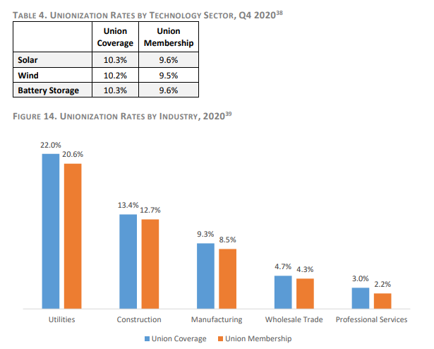

Used union membership value for the construction industry to approximate. The apprenticeship provision applies to
"each contractor and subcontractor who employs 4 or more individuals to perform construction, alteration,
or repair work."
Current Value | 12.7%
Value if Increased by 20% | 15%

 | 2022 | 2023 | 2024 | 2025 | 2026 | 2027 | 2028 | 2029 | 2030 | 2031 | 2032 | 2033 | 2034 | 2035 | 2036 | 2037 | 2038 | 2039 | 2040 | 2041 | 2042 | 2043 | 2044 | 2045 | 2046 | 2047 | 2048 | 2049 | 2050
Percentage of total labor hours that must be from qualified apprentices | 0.0% | 5.0% | 10.0% | 15.0% | 15.0% | 15.0% | 15.0% | 15.0% | 15.0% | 15.0% | 15.0% | 15.0% | 15.0% | 15.0% | 15.0% | 15.0% | 15.0% | 15.0% | 15.0% | 15.0% | 15.0% | 15.0% | 15.0% | 15.0% | 15.0% | 15.0% | 15.0% | 15.0% | 15.0%
Percent multiplier for bonus credit | 0.0% | 100.0% | 100.0% | 100.0% | 100.0% | 100.0% | 100.0% | 100.0% | 100.0% | 100.0% | 100.0% | 100.0% | 100.0% | 100.0% | 100.0% | 100.0% | 100.0% | 100.0% | 100.0% | 100.0% | 100.0% | 100.0% | 100.0% | 100.0% | 100.0% | 100.0% | 100.0% | 100.0% | 100.0%

Domestic Content Calculations
Assumed that wind fully qualifies for domestic content credit, because weighted domestic content share is ~70%
Source: https://netzeroamerica.princeton.edu/img/Working_Paper-High_Road_Labor_and_Renewable_Energy-PUBLIC_RELEASE-4-13-21.pdf

Solar PV Capital Costs | Percent |  | Net Zero America: Domestic Content Share
Construction Costs | of Cost
Module | 41.20% |  | 11.00%
Inverter | 13.20% |  | 37.00%
Electrical BOS | 11.40% |  | 15.00%
Structural BOS | 7.00%
Install Labor and Equipment | 8.80%
EPC Overhead | 5.30%
Sales Tax | 4.40%
Developer Overhead | 1.80%
Contingency | 2.60%
EPC/Developer Net Profit | 4.40%

Current Weighted Domestic Content Share | 16.91%
Assumed Domestic Content Share in 2028 (year in which maximum domestic content requirement of 55% begins) | 35.95%

 | 2022 | 2023 | 2024 | 2025 | 2026 | 2027 | 2028
Weighted Domestic Content Share | 16.91% | 16.91% | 20.72% | 24.53% | 28.34% | 32.15% | 35.95%

Sources: JEDI, https://netzeroamerica.princeton.edu/img/Working_Paper-High_Road_Labor_and_Renewable_Energy-PUBLIC_RELEASE-4-13-21.pdf

 | 2022 | 2023 | 2024 | 2025 | 2026 | 2027 | 2028 | 2029 | 2030 | 2031 | 2032 | 2033 | 2034 | 2035 | 2036 | 2037 | 2038 | 2039 | 2040 | 2041 | 2042 | 2043 | 2044 | 2045 | 2046 | 2047 | 2048 | 2049 | 2050
Required Domestic Content Share | 40% | 40% | 40% | 40% | 45% | 50% | 55% | 55% | 55% | 55% | 55% | 55% | 55% | 55% | 55% | 55% | 55% | 55% | 55% | 55% | 55% | 55% | 55% | 55% | 55% | 55% | 55% | 55% | 55%
Assumed Domestic Content Share This Year | 17% | 20% | 23% | 26% | 30% | 33% | 36% | 36% | 36% | 36% | 36% | 36% | 36% | 36% | 36% | 36% | 36% | 36% | 36% | 36% | 36% | 36% | 36% | 36% | 36% | 36% | 36% | 36% | 36%
Multiplier for Solar Bonus Credit | 42% | 50% | 58% | 66% | 66% | 66% | 65% | 65% | 65% | 65% | 65% | 65% | 65% | 65% | 65% | 65% | 65% | 65% | 65% | 65% | 65% | 65% | 65% | 65% | 65% | 65% | 65% | 65% | 65%

Multiplier for Non-Solar Bonus Credit (assumed that domestic content requirements are only a limiting factor for solar PV) | 100% | 100% | 100% | 100% | 100% | 100% | 100% | 100% | 100% | 100% | 100% | 100% | 100% | 100% | 100% | 100% | 100% | 100% | 100% | 100% | 100% | 100% | 100% | 100% | 100% | 100% | 100% | 100% | 100%

Notes:
The ITC/PTC values are extended by 3 years for wind and 2 years for solar PV to account for the commenced-construction provision (NREL's
ReEDS modeling assumes a 3-year construction period for wind plants and 2-year period for solar PV plants, but the EPS deploys plants in a single annual timestep; the credits
apply for any plant that begins construction in the applicable year rather than when plants come online).

ITC
ITC Phase-out Schedule | 2022 | 2023 | 2024 | 2025 | 2026 | 2027 | 2028 | 2029 | 2030 | 2031 | 2032 | 2033 | 2034 | 2035 | 2036 | 2037 | 2038 | 2039 | 2040 | 2041 | 2042 | 2043 | 2044 | 2045 | 2046 | 2047 | 2048 | 2049 | 2050
Selected Schedule | 0.00% | 100.00% | 100.00% | 100.00% | 100.00% | 100.00% | 100.00% | 100.00% | 100.00% | 100.00% | 100.00% | 100.00% | 100.00% | 100.00% | 100.00% | 100.00% | 100.00% | 100.00% | 100.00% | 100.00% | 75.00% | 50.00% | 0.00% | 0.00% | 0.00% | 0.00% | 0.00% | 0.00% | 0.00%

Base Credit | 6.00%
Bonus Credit | 30.00%
Domestic content bonus, base | 2.00%
Domestic content bonus, bonus | 10.00%
Transferability penalty | 7.50%
Energy community bonus | 10%
Fraction of capacity qualifying for energy community bonus | 50%

ITC Settings

 | 2023 | 2024 | 2025 | 2026 | 2027 | 2028 | 2029 | 2030 | 2031 | 2032 | 2033 | 2034 | 2035 | 2036 | 2037 | 2038 | 2039 | 2040 | 2041 | 2042 | 2043 | 2044 | 2045 | 2046 | 2047 | 2048 | 2049 | 2050
Offshore Credit Value % project costs | 0.42 | 0.42 | 0.42 | 0.42 | 0.42 | 0.42 | 0.42 | 0.42 | 0.42 | 0.42 | 0.42 | 0.42 | 0.42 | 0.42 | 0.42 | 0.42 | 0.42 | 0.42 | 0.42 | 0.31 | 0.21 | 0 | 0 | 0 | 0 | 0 | 0 | 0

